Sheet1
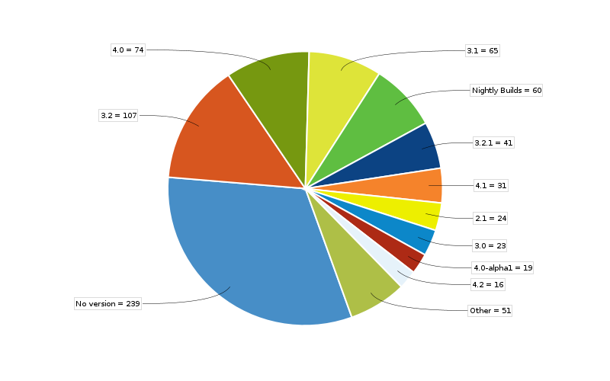

 | The above pie chart shows the total number of issues (that includes bugs and other issue types) for each version
 | Source - The issue tracking system of Apache Commons collections in Jira : http://issues.apache.org/jira/browse/COLLECTIONS ; source code found at https://git-wip-us.apache.org/repos/asf?p=commons-collections.git

 | Version | Size in KLOC | Number of bugs | Defect Density
do not work with Java 9 | 1.0 |  | 1
 | 2.0 |  | 4
 | 2.1 |  | 18
 | 2.1.1 |  | 1
 | 3.0 |  | 16
 | 3.1 |  | 45
 | 3.2 |  | 46
 | 3.2.1 |  | 29
 | 3.2.2 |  | 6
 | 4.0 |  | 35
 | 4.0-alpha 1 |  | 7
 | 4.1 |  | 17
 | 4.2 |  | 5
 | 4.3 |  | 2
 | 4.4 |  | 5
unreleased | 4.x |  | 7
 | Nightly builds |  | 34

